Cover
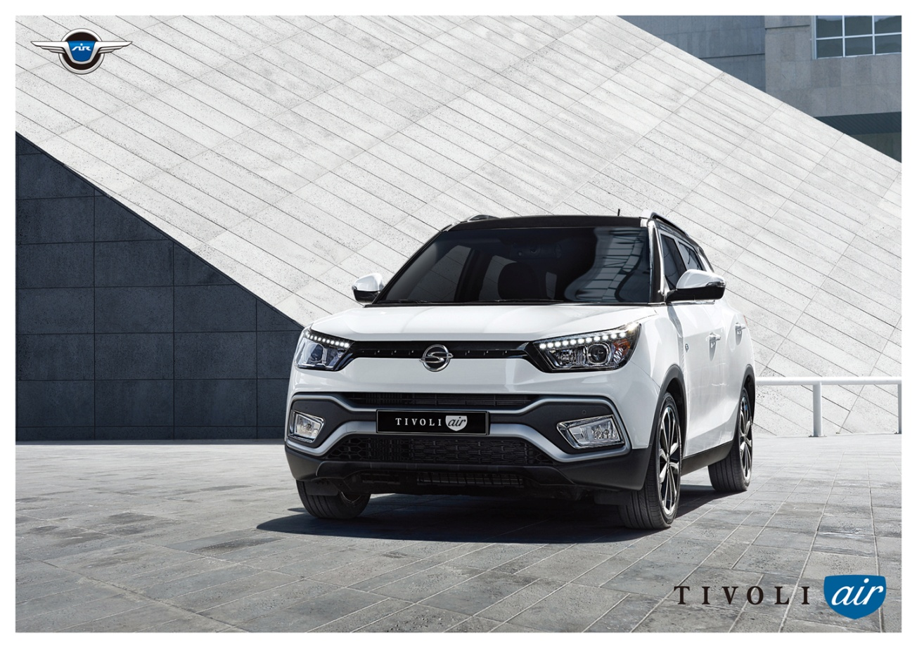

SSANGYONG MOTOR COMPANY

 |  | ㅔ
 | Sales Performance Report
 | FY 2016

 |  | MOST INNOVATIVE AND RESPECTED KOREAN AUTOMOTIVE COMPANY

