Cover
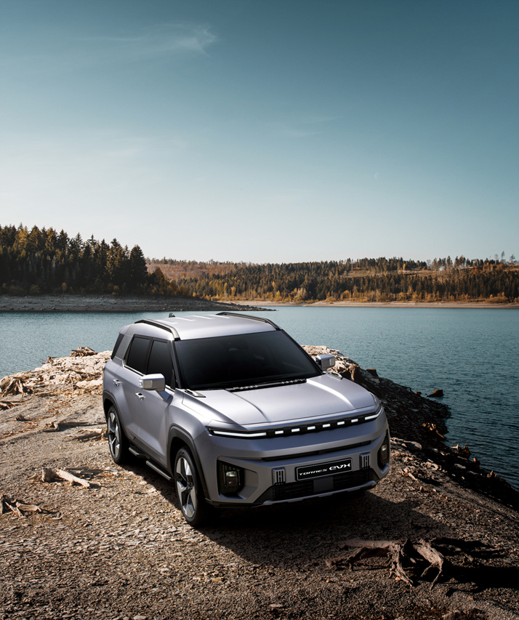
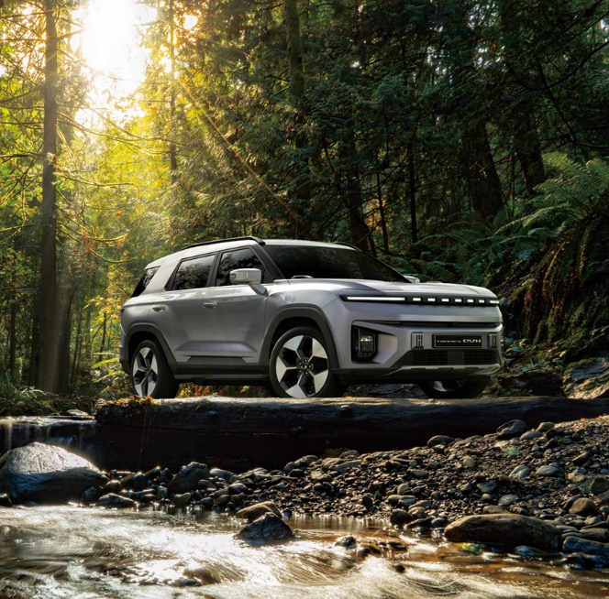

KG Mobility Corp.

 |  |  | ㅔ
 | Sales Performance Report
 | FY 2024

 |  | MOST INNOVATIVE AND RESPECTED KOREAN AUTOMOTIVE COMPANY

